3 Core Object & Component Areas
This Excel Workbook has been created for Assessment Artifact submissions for the Associate of Arts and Associate of Arts-Teaching prgrams. The THECB Core Objectives are provided, locally referenced as the "PSLO's." The THECB Foundational Coponent Area rubric aligns each component are with the required and optional core objectives. The LSCPA Core Curriculum has been provided to align the core curriculum courses to the component areas.

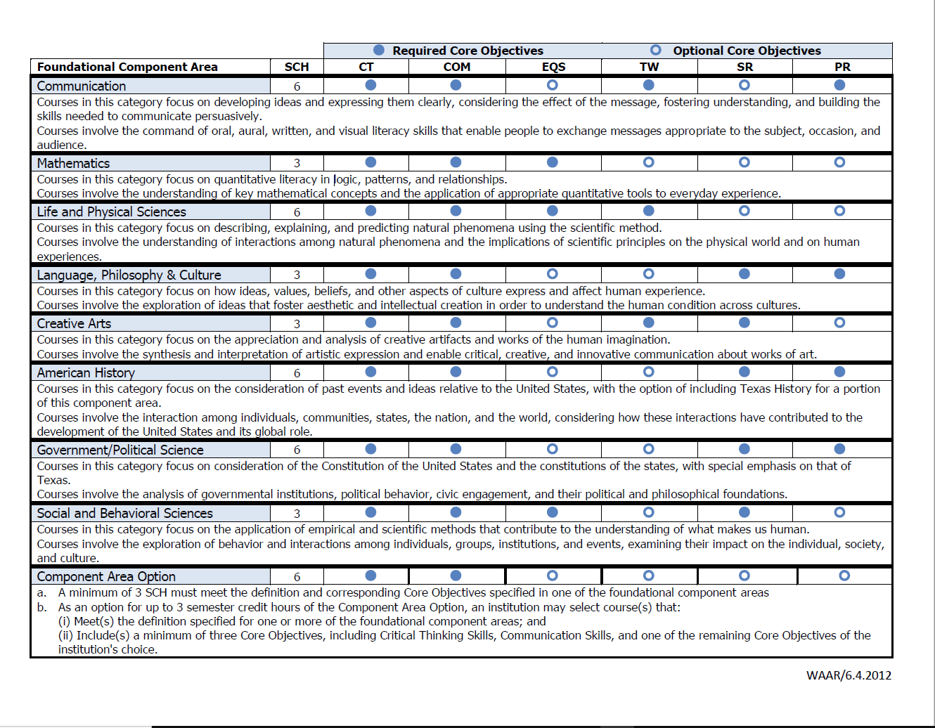
Core and the Associate of Arts: Academic Studies, Drama, and Studio Arts
THECB Core Objectives
Critical Thinking | PSLO 1: Critical Thinking Skills – Uses creative thinking, innovation, inquiry and analysis, evaluation and synthesis of information.

Communications | PSLO 2: Communication Skills – Demonstrates effective development, interpretation and expression of ideas through written, oral and/or visual communication.

Empirical & Quantitative | PSLO 3: Empirical and Quantitative Skills – Applies the manipulation and/or analysis of numerical data or observable facts resulting in informed conclusions.

Teamwork | PSLO 4: Teamwork Skills- Shows the ability to consider different points of view and to work effectively with others to support a shared purpose or goal.

Social Responsibility | PSLO 5: Social Responsibility Skills - Expresses intercultural competence, knowledge of civic responsibility, and the ability to engage effectively in regional, national, and global communities

Personal Responsibility | PSLO 6: Personal Responsibility Skills – Integrates choices, actions and consequences in ethical decision-making

